Visuliazation
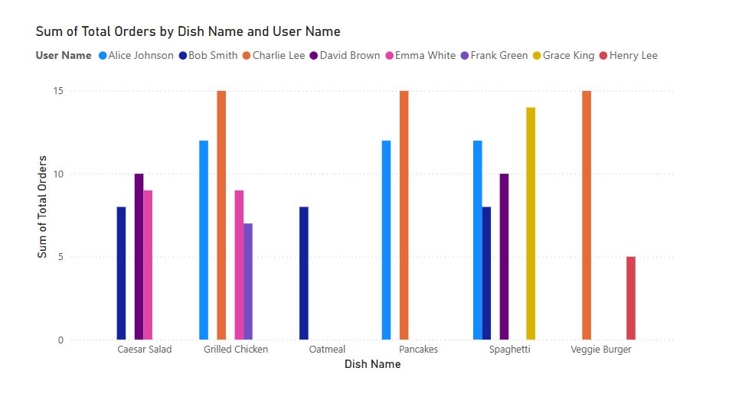
The keysight or key insights from the table are:

1. Top Users by Total Orders:

Charlie Lee (User ID: U003) placed the highest number of orders (15) across three meals (Grilled Chicken, Pancakes, and Veggie Burger).
Alice Johnson (User ID: U001) followed with 12 orders, split between Grilled Chicken, Pancakes, and Spaghetti.

2. Most Popular Meal Types:

Dinner is the most frequent meal type ordered, appearing 8 times.
Lunch and Breakfast have fewer orders comparatively.

3. Session Ratings and Duration:

Grace King (User ID: U007) had the highest session rating of 5.0 for Spaghetti.
Sessions with higher ratings generally had longer durations (30-45 mins), indicating a potential correlation between session length and customer satisfaction.

4. Location Insights:

Chicago and New York had the most active users (Charlie Lee and Alice Johnson).
The geographical spread suggests high engagement in urban areas.

5. Top Dish Insights:

Grilled Chicken was ordered multiple times across different users, making it a popular dish.

These insights suggest opportunities to focus on Dinner meals, prioritize popular dishes like Grilled Chicken, and optimize session durations for higher ratings.

